F-test
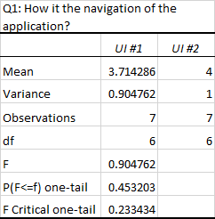
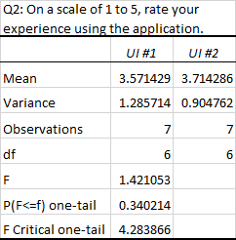
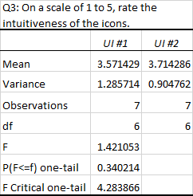

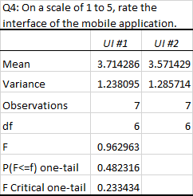
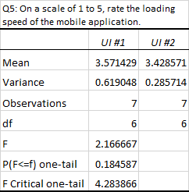
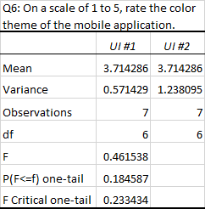
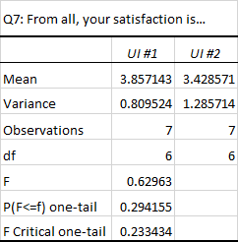

ANOVA-Single Factor
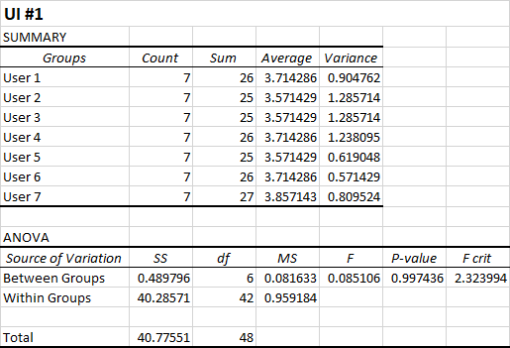
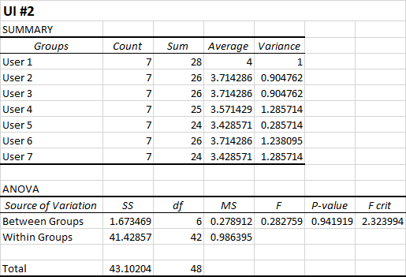

Confidence Interval w Error Bar
Q3: On a scale of 1 to 5, rate the intuitiveness of the icons.
Q1: How is the navigation of the application?
Q2: On a scale of 1 to 5, rate your experience using the application.
UI #1 | Q1 | Q2 | Q3 | Q4 | Q5 | Q6 | Q7

Mean | 3.7142857143 | 3.5714285714 | 3.5714285714 | 3.7142857143 | 3.5714285714 | 3.7142857143 | 3.8571428571
Standard Error | 0.35951592549 | 0.42857142857 | 0.42857142857 | 0.42056004125 | 0.29738085707 | 0.28571428571 | 0.34006802041
Median | 3 | 3 | 3 | 4 | 3 | 4 | 4
Mode | 3 | 3 | 3 | 3 | 3 | 3 | 3
Standard Deviation | 0.95118973121 | 1.133893419 | 1.133893419 | 1.1126972805 | 0.78679579247 | 0.75592894602 | 0.89973541084
Sample Variance | 0.90476190476 | 1.2857142857 | 1.2857142857 | 1.2380952381 | 0.61904761905 | 0.57142857143 | 0.80952380952
Kurtosis | -1.6869806094 | -1.2271604938 | -1.2271604938 | -0.94437869822 | 0.27337278107 | -0.35 | -1.8166089965
Skewness | 0.76358665957 | 0.23517789432 | 0.23517789432 | -0.24887548641 | 1.1145497794 | 0.59529404499 | 0.35304496744
Range | 2 | 3 | 3 | 3 | 2 | 2 | 2
Minimum | 3 | 2 | 2 | 2 | 3 | 3 | 3
Q4: On a scale of 1 to 5, rate the interface of the mobile application.
Q5: On a scale of 1 to 5, rate the loading speed of the mobile application.
Q6: On a scale of 1 to 5, rate the color theme of the mobile application.
Maximum | 5 | 5 | 5 | 5 | 5 | 5 | 5
Sum | 26 | 25 | 25 | 26 | 25 | 26 | 27
Count | 7 | 7 | 7 | 7 | 7 | 7 | 7
Confidence Level(95.0%) | 0.87970377875 | 1.0486765076 | 1.0486765076 | 1.0290733491 | 0.72766474346 | 0.69911767176 | 0.83211646933

UI #2 | Q1 | Q2 | Q3 | Q4 | Q5 | Q6 | Q7

Mean | 4 | 3.7142857143 | 3.7142857143 | 3.5714285714 | 3.4285714286 | 3.7142857143 | 3.4285714286
Standard Error | 0.37796447301 | 0.35951592549 | 0.35951592549 | 0.42857142857 | 0.20203050891 | 0.42056004125 | 0.42857142857
Median | 4 | 4 | 4 | 3 | 3 | 4 | 4
Mode | 4 | 4 | 4 | 3 | 3 | 4 | 4
Standard Deviation | 1 | 0.95118973121 | 0.95118973121 | 1.133893419 | 0.53452248382 | 1.1126972805 | 1.133893419
Q7: From all, your satisfaction is…
Sample Variance | 1 | 0.90476190476 | 0.90476190476 | 1.2857142857 | 0.28571428571 | 1.2380952381 | 1.2857142857
Kurtosis | 3 | 1.2448753463 | 1.2448753463 | -1.2271604938 | -2.8 | -0.94437869822 | -1.2271604938
Skewness | -1.4 | -0.86318491951 | -0.86318491951 | 0.23517789432 | 0.37416573868 | -0.24887548641 | -0.23517789432
Range | 3 | 3 | 3 | 3 | 1 | 3 | 3
Minimum | 2 | 2 | 2 | 2 | 3 | 2 | 2
Maximum | 5 | 5 | 5 | 5 | 4 | 5 | 5
Sum | 28 | 26 | 26 | 25 | 24 | 26 | 24
Count | 7 | 7 | 7 | 7 | 7 | 7 | 7
Confidence Level(95.0%) | 0.92484574832 | 0.87970377875 | 0.87970377875 | 1.0486765076 | 0.49435084655 | 1.0290733491 | 1.0486765076

